1. Title Page
Grocery Basket Analysis

Project Name: Grocery Basket Analysis
Date: 27/11/2021
Analyst Name: Valens Sulaiman

Contents:
Population Flow
Consistency checks
Wrangling steps
Column derivations
Visualizations
Recommendations

Cite:
Boomers, Gen X, Gen Y, Gen Z, and Gen A explained" https://www.kasasa.com/exchange/articles/generations/gen-x-gen-y-gen-z#:~:text=Baby%20Boomers%3A%20Baby%20boomers%20were,between%201981%20and%201994%2F6 on 27/11/2021
The Instacart Online Grocery Shopping Dataset 2017”, Accessed from https://www.instacart.com/datasets/grocery-shopping-2017 on 27/11/2021

2. Population Flow
Title page

Population flow

Exclusion flag
Condition: max_order <
Obervations to be removed:
Final total count of order_products_all:

Orders_products_combined
Orders_products_merged
Orders_products_all

Total: 32434489
Total: 32434489
Total: 32404859

1.) The grey boxes in the first row of the population flow represent the original data sets as they were when you downloaded them. In the Total fields you need to add the count of the rows when you imported the data set into Jupyter.
2.) The second row of boxes (coloured) represents the data sets after you manipulated them, e.g., removed missing values and duplicates. In the Total fields you need to add the count of the rows after conducting these operations. This offers a visual oveview of how the data flows throughout the data consistency checks.
3.) The third row, where also the arrows are coloured, represents the merges you performed between the datasets. In the Total fields you need to add the count of the rows in the merged datasets, so that you end up with the final dataset (in the red box). Keep in mind the final dataset should be without exclusions (based on the exclusion flag).

3. Consistency checks
 |  |  |  | Title page
Consistency checks

Dataset | Missing values | Missing values treatment | Duplicates
orders | 206209 cells of days_since_prior_order is null | fill all null cells with 0 | There is no duplicates
products | 16 cells in product name is null | Delete all the null cells | There are also number of duplicates where we delete them
orders_products_prior | No missing values | No Missing value treatment | No Duplicates
customers | No missing values | No Missing value treatment | No Duplicates

4. Wrangling steps
 |  |  |  | Title page
Wrangling steps

Columns dropped | Columns renamed | Columns' type changed | Comment/Reason
eval_set |  |  | There is no purpose for this cell in the analysis
 | rename order_dow to orders day of week |  | The name of the column isn't clear enough
 |  | order_id from int to str | This column doesn't provide information when we do summary statistic
 | n_dependants to people_supported_financially |  | Clearer name
 | Surnam to Surname |  | Improve spelling mistake
 |  | Changing first name type to string | There seems to be a mix data type in this column
Exist and _merge |  |  | These cells are no longer needed to compare

5. Column derivations
 |  |  |  |  | Title page

Column derivations and aggregations

Dataset | New column | Column/s it was derived from | Conditions | Frequencies
ords_prods_merge | price_range | prices | Define low,mid and high range product | Base on the price Prices <= 5 = Low Range Product Prices between 6 to 15 = Mid Range Product Price > 15 = High Range
ords_prods_merge | busiest_day | orders_day_of_week | group order days of the week to busiest day, least busy and regularly busy | Base on frequency Saturday = Busiest day Wednesday = Least Busy Everything else would be regular busy
ords_prods_merge | busiest_period_of_day | order_hour_of_day | Define the group to be most orders, fewest orders and average orders | Base on Frequency 10 and 11am = This is the time where most of people place an order 3 and 4am = This is the time where there are least of orders placed Outside the hours above are just a standard order frequency
ords_prods_merge | loyalty_flag | max_order | do grouping base on loyal, regular and new customer | Base on the maximum order of the customer 'Max_order > 40 = Loyal Customer Max_order between 11-40 = Regular Customer Max_order less than 10 = New Customer
ords_prods_merge | spending_flag | max_spender | Make 2 groups (low spender and high spender) | Base on the maximum spending of the customer Max_spender < 10 = Low Spender Max_spender >= 10 = High Spender
ords_prods_merge | frequency_flag | median_of_days_since_prior_order | group customer base on their frequency non-frequent, regular and frequent customer | Based on the median of days since prior order median_of_days_since_prior_order > 20 = Non Frequency Customer median_of_days_since_prior_order < = 20 = Regular Customer median_of_days_since_prior_order <= 10 = Frequent Customer
ords_prods_cust | region_list | STATE | Combine different state into 4 region. Region1,2,3 and 4 | Base on the state 'Maine', 'New Hampshire', 'Vermont', 'Massachusetts', 'Rhode Island', 'Connecticut', 'New York', 'Pennsylvania', 'New Jersey' = Region 1 - Northeast 'Wisconsin', 'Michigan', 'Illinois', 'Indiana', 'Ohio', 'North Dakota', 'South Dakota', 'Nebraska', 'Kansas', 'Minnesota', 'Iowa', 'Missouri' = Region 2 - Midwest 'Delaware', 'Maryland', 'District of Columbia', 'Virginia', 'West Virginia', 'North Carolina', 'South Carolina', 'Georgia', 'Florida', 'Kentucky', 'Tennessee', 'Mississippi', 'Alabama', 'Oklahoma', 'Texas', 'Arkansas', 'Louisiana' = Region 3 - South 'Idaho', 'Montana', 'Wyoming', 'Nevada', 'Utah','Colorado', 'Arizona', 'New Mexico', 'Alaska', 'Washington', 'Oregon', 'California', 'Hawaii' = Region 4 - West
ords_prods_cust | order_flag | order_number | Grouping customer base on their customer activity | Base on order_number order_number < 5 = Low Activity Customer order_number > 5 = Regular/High Activity Customer
ords_prods_cust_high_activity | order_day | orders_day_of_week | Create another column to represent the name of the day instead with number | Changing the number to day of the week 0 = Saturday 1 = Sunday 2 = Monday 3 = Tuesday 4 = Wednesday 5 = Thursday 6 = Friday
ords_prods_cust_high_activity | age_category | Age | Deriving the age group and split it base on the generations | Base on the Age Age <= 24 = Gen Z Age between 25 to 40 = Gen Y Age between 41 to 56 = Gen X Age between 57 to 75 = Baby Boomers Age 75+ = Silent Generation
ords_prods_cust_high_activity | income range | income | Create an income range and group them | Base on the income Income < 75 k = Low Income Income between 75 to 125K = Middle Income income 125K + = High income

In this tab you should add tables below that the frequences of flags/label variables that you produced after deriving them. NB: don't do this for continuous variables, only for flags.

6. Visualizations
Title page

Visualisations

In this tab you should include all the visualtions from Exercises 4.9 and 4.10, alongside the questions from the project brief that they answer. Include any commentary on the relationship between different variables.

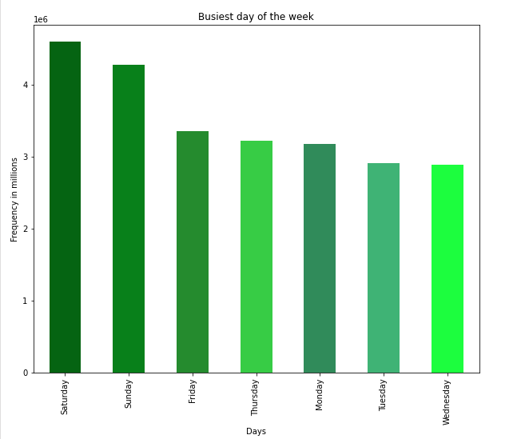
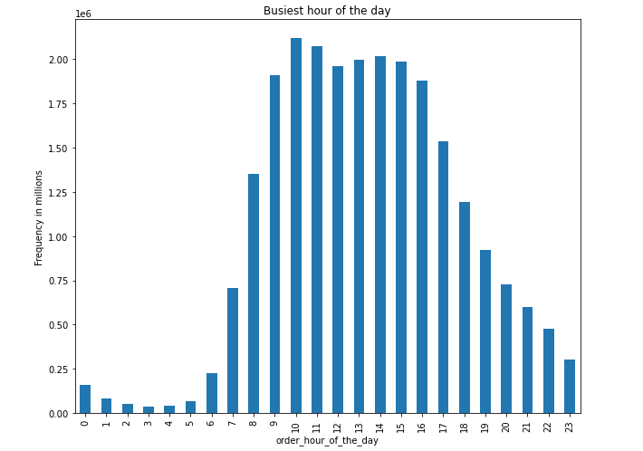

Bar graph that shows the busiest hour of the day
Bar graph that shows the busiest day of the week

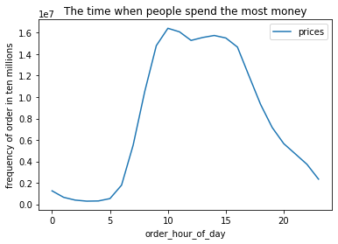

Line graph shows the movement of total customer spending throughout the day

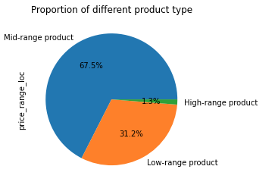

The proportion of different product type
Low-range = Prices <= 5
Mid-Range = Price between 6 and 15
High Range = Prices <15

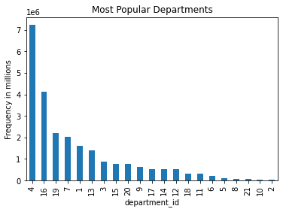

1. Frozen
2. Other
3. Bakery
4. Produce
5. Alcohol
6. International
7. Beverages
8. Pets
9. Dry Goods pasta
10. Bulk
11. Personal Care
12. Meat & Seafood
13. Pantry
14. Breakfast
15. Canned goods
16. Dairy eggs
17. Household
18. Babies
19. Snacks
20. Deli
21. Missing

The popularity of each department base on the number they get ordered by the customer.

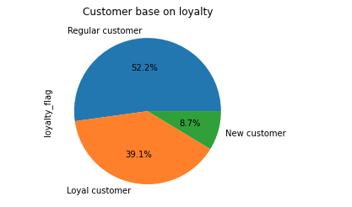

The proportion of Instacart basket customer. Where they could determine the proportion between regular, new and loyal customer
- New customer where their max order is less than 10
- Regular customer where their max order is between 11 to 40
- Loyal customer where their max order is more than 40

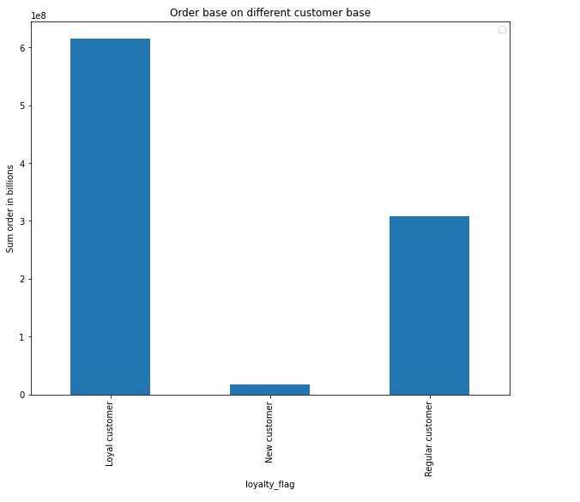

The bar graph here show the different of total spending depending on the customer loyalty.

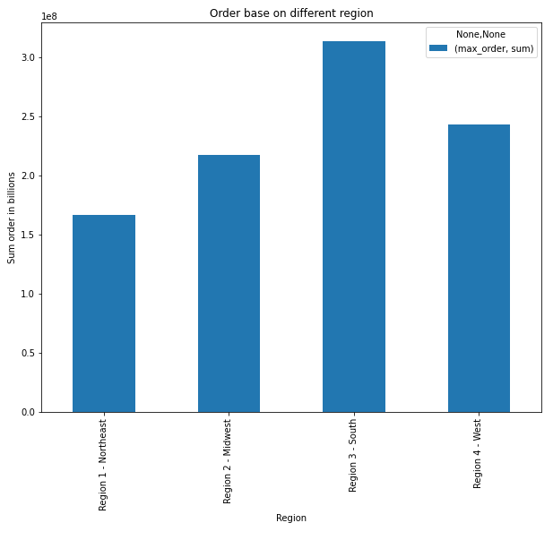

The graph shows how order in a different region

Q:
Demographics by income range

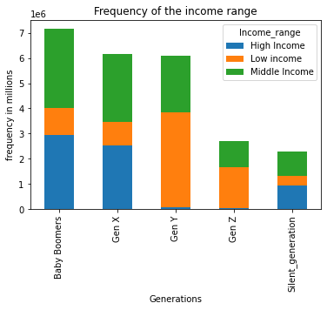

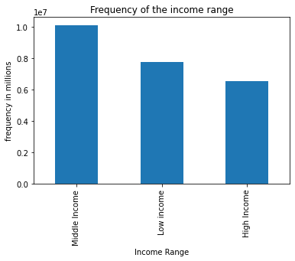

This stacked show the ratio of the income range within each generations
The frequency of the income range of instacart customer.

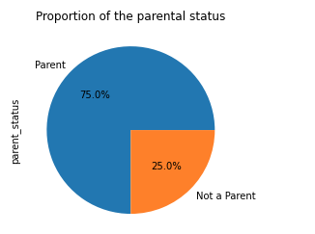
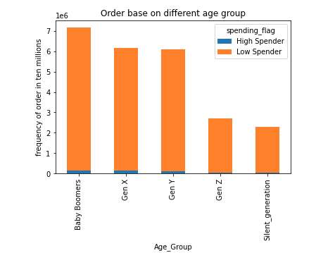

Total spending of each age group and the ratio of the spending
Proportion of Instacart customers in
terms of parental status

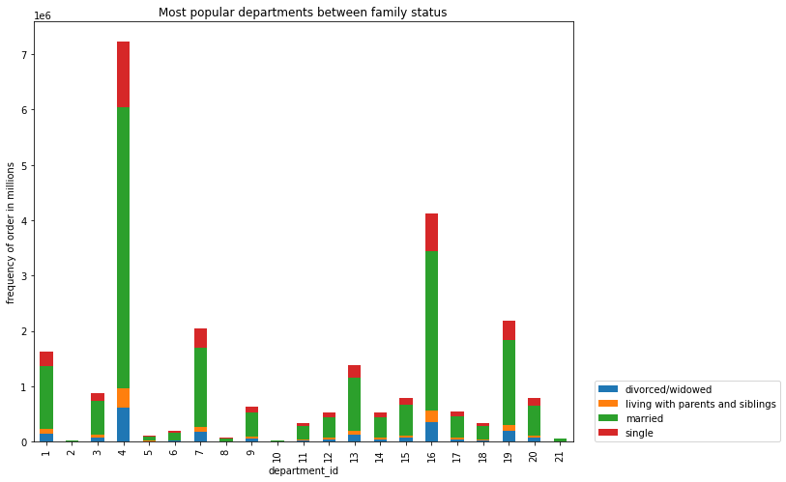
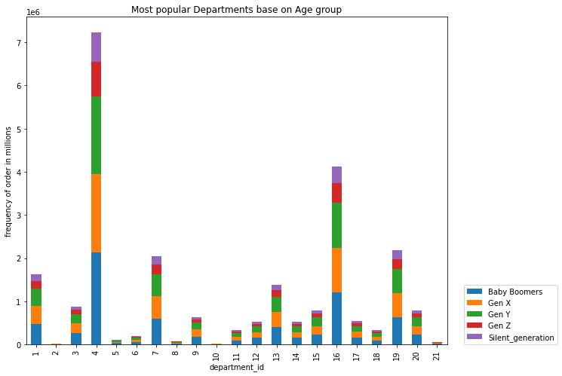

The relationship between age group and departments
The relationship between family status and
departments

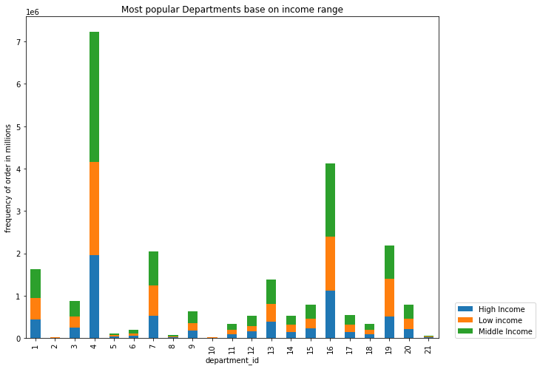
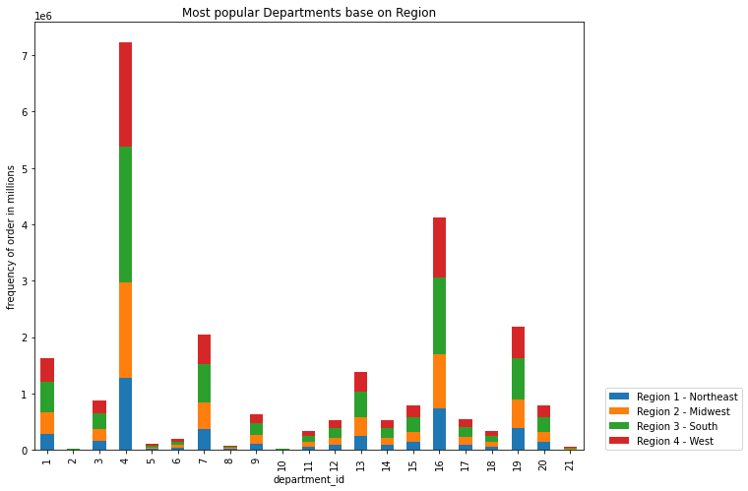

The relationship between income range and departments

The relationship between region and departments

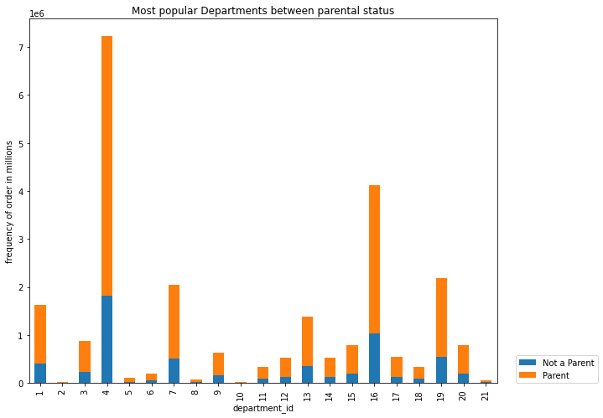

The relationship between Parental status and departments

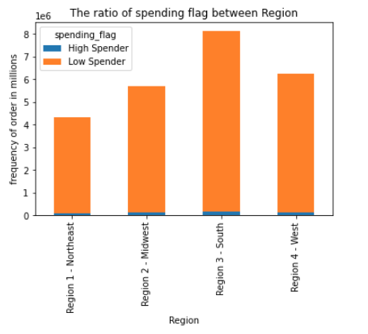

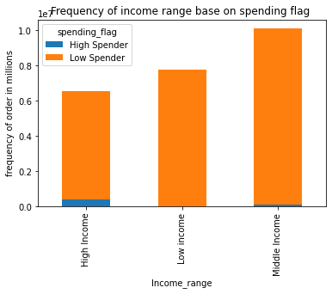

The relationship between the frequency of the region and spending flag.

The relationship between the frequency of the income range and spending flag.

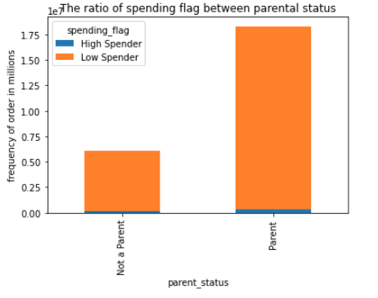

The relationship between the frequency of parental status and spending flag.

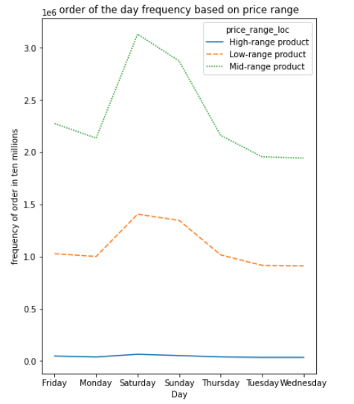

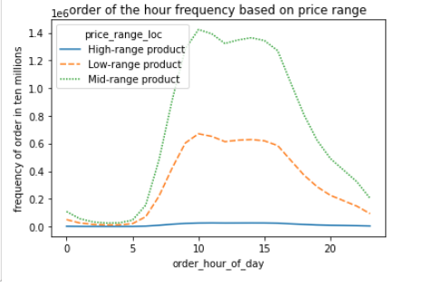

Busiset

7. Recommendations
 |  | Title page

Recommendations

In this tab you should include any recommendations you would made to Instcart in terms of their marketing strategy based on the questions posed in the brief. Every key question has been covered in the Tasks of the Exercises - here you need to add an item - a visualisation or table/crosstable that is showing the answer in the data, acompanied by a comment from you. Please, list the questions below and add the answer underneath.

Question | Answer

Q1 :
The sales team needs to know what the busiest days of the week and hours of the day are (i.e., the days and times with the most orders) in order to schedule ads at times when there are fewer orders.

The graphs show that the busiest hour of the day is from 9AM to around 5PM. As for busiest day of the week we can see it would be Saturday and Sunday. If they would like to do marketing I would suggest doing the marketing outside these hours to maximise return onthe marketing.

Q2 :
They also want to know whether there are particular times of the day when people spend the most money, as this might inform the type of products they advertise at these times.

According the line graph people spends the most around 10am and end around 4PM where the spending starting to decrease. This seem to align with the busiest time that you see from the previous graph.
From the next 2 graph it also provide on which product that the customer spend the most. As you can see from here that mid range product seems to be the most popular.

Q3 :
Instacart has a lot of products with different price tags. Marketing and sales want to use simpler price range groupings to help direct their efforts.

In this diagram we have split the product to 3 different category (Low-range, Mid-range and High-range).
Low-range = Prices <= 5
Mid-Range = Price between 6 and 15
High Range = Prices <15
To maximise the marketing effort I would allocate the budget according to this PIE chart where the majority of the budget should allocated to Mid-range product
This result help support the evidence of the line chart aboveon which product type more popular.

Q4 :
Are there certain types of products that are more popular than others? The marketing and sales teams want to know which departments have the highest frequency of product orders.

1. Frozen
2. Other
3. Bakery
4. Produce
5. Alcohol
6. International
7. Beverages
8. Pets
9. Dry Goods pasta
10. Bulk
11. Personal Care
12. Meat & Seafood
13. Pantry
14. Breakfast
15. Canned goods
16. Dairy eggs
17. Household
18. Babies
19. Snacks
20. Deli
21. Missing

We can see that Produce is most popular department and followed by dairy eggs.
From this bar graph also we could see what is the worst performing product and how we can help push those departments. In this case would be bulk, pets and alcohol. This could be something that the marketing and sales wants to focus to push.

Q5 :
The marketing and sales teams are particularly interested in the different types of customers in their system and how their ordering behaviors differ

Q 5.1 :
What’s the distribution among users in regards to their brand loyalty

We have created our pie chart to show the proportion of instacart customers. We have divide instacart customer to 3 different category
- New customer where their max order is less than 10
- Regular customer where their max order is between 11 to 40
- Loyal customer where their max order is more than 40
As you can see from this pie chart that the majority of our customer is regular customer where their max order is between 11 to 40. There are a couple of suggestion that I would do is to maintain and increase the loyal customer portion. We could gives more incentives to our loyal customer so we could make sure that they will stay loyal.
In the same time create a new promotion with the regular customer so we can convert some of the regular customer to the loyal customer.

Q 5.2 :
Are there differences in ordering habits based on a customer’s loyalty status?

The graph shows the spending of the different customer base.
As we can see here even though the majority of the customer is regular customer. Loyal customer still spend the most compare to any other customer. Which is something that we have to maintain.

Q 5.3:
Are there differences in ordering habits based on a customer’s region?

1. Frozen
2. Other
3. Bakery
4. Produce
5. Alcohol
6. International
7. Beverages
8. Pets
9. Dry Goods pasta
10. Bulk
11. Personal Care
12. Meat & Seafood
13. Pantry
14. Breakfast
15. Canned goods
16. Dairy eggs
17. Household
18. Babies
19. Snacks
20. Deli
21. Missing

The graph clearly show that Region 3 - South has the most order compare to the other region.
With the second stacked chart supports the evidence on what is the most popular departments. At the same time it provides information on how popular each department in different region
My recommendation would be to allocate more resources for the south. In the same time find more information what is the main reason people in Region 3 order more other than other region.

Q 5.4:
Demographics by income range

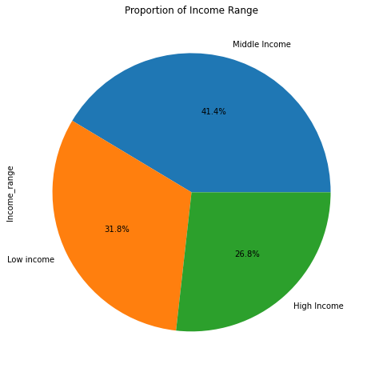
1. Frozen
2. Other
3. Bakery
4. Produce
5. Alcohol
6. International
7. Beverages
8. Pets
9. Dry Goods pasta
10. Bulk
11. Personal Care
12. Meat & Seafood
13. Pantry
14. Breakfast
15. Canned goods
16. Dairy eggs
17. Household
18. Babies
19. Snacks
20. Deli
21. Missing
The first bar graph shows that the majority of Instacart customer is a middle income (between 75000 to 125000)
The second stacked chart prove further that middle income customer spend more across all departments compare to other income range. Also, the most popular departments would be produce follow with dairy eggs.
This information would help marketing and sales team to spend their efforts targeting this customer. If in the future insta cart wants to introduce new product, instacart can focus at produce or dairy eggs departments. This is because these departments could help provide a better turn over.

Q 5.5:
Demographics by income range

1. Frozen
2. Other
3. Bakery
4. Produce
5. Alcohol
6. International
7. Beverages
8. Pets
9. Dry Goods pasta
10. Bulk
11. Personal Care
12. Meat & Seafood
13. Pantry
14. Breakfast
15. Canned goods
16. Dairy eggs
17. Household
18. Babies
19. Snacks
20. Deli
21. Missing

The first stack of income range provides an indication of different income group across different generation. As you can see that they are not a single income group that dominates across different generations it all varies with different age group.
The second stack graph also help prove the most popular departments and at the same time take a look on the customer geographics across department.
The marketing team and sales team would be able to use this information to have a specific target marketing depending on their interest and income range.

Q 5.5:
Demographics of the parental status

1. Frozen
2. Other
3. Bakery
4. Produce
5. Alcohol
6. International
7. Beverages
8. Pets
9. Dry Goods pasta
10. Bulk
11. Personal Care
12. Meat & Seafood
13. Pantry
14. Breakfast
15. Canned goods
16. Dairy eggs
17. Household
18. Babies
19. Snacks
20. Deli
21. Missing

The majority of instacart customers are parent. As you can see that they took 75% of the majority and the popular department seems to be the same compare to the previous analysis.
This graph also identify the popularity of each department depending on the parental status
Marketing could appeal more their marketing style towards what it's like to be a perents.

Q 5.6:
Different spending flag with different characteristic

We can see that base on different characteristic all of them have low spender as the majority.
Low Spender = Spend max < 10
High Spender = Spend Max >=10
What I would suggest is dig a deeper research on what causes people to spend more. Hence we could increase this ratio to have people spend more.

Q 5.7:
Is there a connection between age and family status in terms of ordering habits?
1. Frozen
2. Other
3. Bakery
4. Produce
5. Alcohol
6. International
7. Beverages
8. Pets
9. Dry Goods pasta
10. Bulk
11. Personal Care
12. Meat & Seafood
13. Pantry
14. Breakfast
15. Canned goods
16. Dairy eggs
17. Household
18. Babies
19. Snacks
20. Deli
21. Missing

Based on both of these graphs there seems to be a pattern where married and Baby boomers spend the most across all the department.

List of Recommendation/Observation

Even though the pie chart show most of the instachart customers are 75% parent and 25% not a parent. But this is not the case for all the proportion of department purchase.
Largest proportion purchase in a not a parent category and department are 5(alcohol) and 2 (others). Whereas the larger proportion purchase in a parent category and department would be 10 (bulk) and 12 (meat & seafood).
This information is very useful in the marketing and sales perspectives, instead of assuming all the proportion would be 75% parent and 25% not a parent. They would be able to allocate more resources at alcohol and others for not a parent category and bulk and meat and seafood for parent category.
1

The graphs show that the busiest hour of the day is from 9AM to around 5PM. As for busiest day of the week we can see it would be Saturday and Sunday. If they would like to do marketing I would suggest doing the marketing outside these hours to maximise return onthe marketing.
2

3
Another proportion that might not match the overall proportion would be income range and department. Which again this would help with allocation marketing resources.
The overall proportion of instacart customer would be low income (31.8%), middle income (41.4%) and high income (26.8%).
The top proportion of high income and department would be in the following order
1. 5 (alcohol) with 30%
2. 12 (meat & seafood) and 8 (pets) with 29%
3. 15(canned goods),18(babies),9(Dry goods pasta), and 3(Bakery) with 28%
4. 13 (Pantry), 1(frozen) ,6 (international),16 (Dairy Eggs),2 (Other),17 (Household),4 (Produce),21(Missing),11(Personal Care), and 20 (Deli) with 27%
The top proportion of Low Income and department would be in the following order
1. 19 (snacks) with 41%
2. 10 (Bulk) with 36%
3. 7(Beverages) and 14 (Breakfast) with 35%
4. 17(Household) with 33%
5. 21 (Missing),11(Personal Care), and 20(Deli) with 32%
The top proportion of Middle Income and department would be in the following order
1. 12 (Meat & Seafood) with 45%
2. 18 (Babies) with 44%
3. 9(Dry goods Pasta),6(International),15(Canned Goods), and 4(produce) with 43%
4. 13(pantry),16(Dairy Eggs),3(Bakery),1(Frozen),20(Deli),2(Other), and 8(Pets) with 42%

4
In summary:
It is important to allocate resources depending on the product that they are trying to market and sales base on the percentage above, especially when we want to maximise the return of those resources.
Increasing a proportion of loyal customer will also help increase the company revenue, you can see from the amount spending by loyal customer. At the same time it is important to retain those loyal customers, this could be by offering a special price that is special only for them.

